Table 5
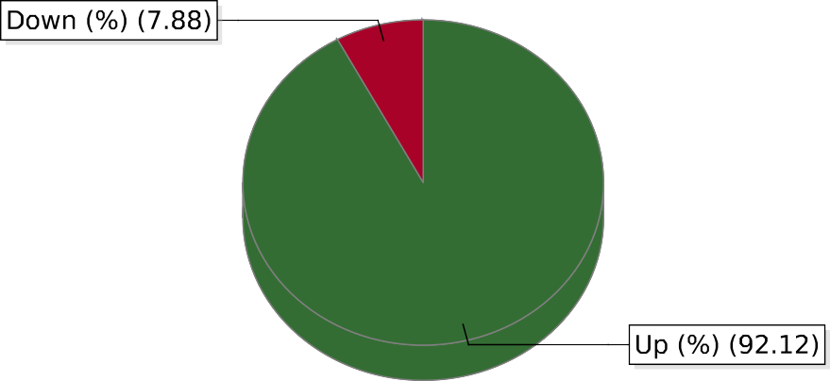
Feb 09,2024 12:24:57 PM 1/ 1 powered by Motadata

